Idaho
Idaho Window Calculation Sheet

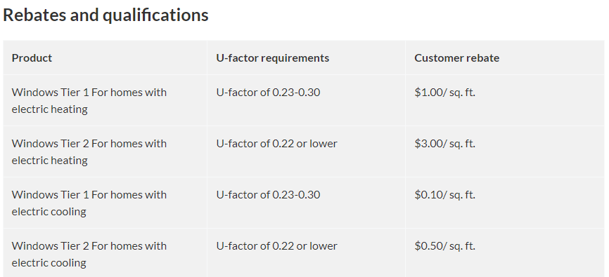

 |  | Please be sure to submit with your application |  |  |  | If you have questions with this calculation sheet please
 |  | 1. Itemized Invoice |  |  |  | call 801-877-0715, Monday to Friday, 9 am-5 pm.
 |  | 2. Window Stickers or Spec Sheets
 |  | 3. Document stating installation completion date |  |  |  | For additional details see our website at
 |  | 4. Window calculation sheet |  |  |  | https://wattsmarthomes.com/rebates/windows

 | Customer Information |  |  |  |  | Totals
 | Name on the account |  |  |  |  | Proposed Rebate: |  | Total Window Square Footage:
 | State of Install |  | Idaho |  |  | Tier 1 |  | Tier 1 | 0.00
 | Installation Complete Date |  |  |  |  | Tier 2 |  | Tier 2 | 0.00
 | Electric heating or cooling
 |  |  |  |  |  | Total Proposed Rebate |  | Total Sq. Ft. | 0.00

 |  | Window Location | U-Factor | Width (Inches) | Height (Inches) | Total Square Feet | Qualifies? | Tier | Proposed Rebate
 | 1
 | 2
 | 3
 | 4
 | 5
 | 6
 | 7
 | 8
 | 9
 | 10
 | 11
 | 12
 | 13
 | 14
 | 15
 | 16
 | 17
 | 18
 | 19
 | 20
 | 21
 | 22
 | 23
 | 24
 | 25
 | 26
 | 27
 | 28
 | 29
 | 30

 | Requirements for Windows:
 | • Window must have a U-Factor of no more than 0.30.
 | • Must have electric heating or a central cooling system serving at least 80% of the home’s conditioned floor area.
 |  | •Electric heating is defined as heat pump, electric baseboard, electric furnace, electric ceiling/wall heat
 |  | •Electric cooling is defined as central air conditioning, heat pump
 | • Must be an existing home, not new construction.
 | • Doors or skylights must be 80% glass by square footage and have a U-Factor of no more than 0.30 to qualify.
 | • Windows must be installed in finished or conditioned living spaces with permanently installed heating system.
 | • Submit all documents so they are received within 90 days of the qualifying service completion date.
 | • See https://wattsmarthomes.com/rebates/windows-id/ for additional rules and details.

